Relations Load
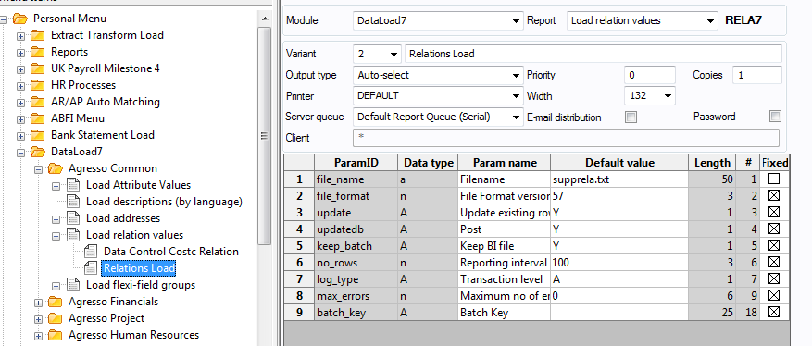
type | RELA57
filename | \\wserver2k12\DataImport\C1RES.txt

 | Column Name |  | Column Len | Format | Description
default | change_status |  | 1 |  | SQL type U = UPDATE I = INSERT
default | client |  | 25 |  | Default should be LW
default | attribute_id |  | 4 |  | Depending on the relation you are loading: Suppliers = A5 Customers = A4
default | att_value |  | 25 |  | Should be the Customer/Supplier ID
default | rel_attr_id |  | 4 |  | Supplier Relations: SUPPGRP = AV SUPPTYPE = 108 Customer Relation: CUSTGRP = AJ CREDITGRP = N020 STATEMENTREQ = N021 COMMCAT = 136
default | rel_value |  | 25 |  | Value of the relation depending on relation type
default | date_from |  | 8 | yyyymmdd | Start date of relation
default | date_to |  | 8 | yyyymmdd | End date of relation
default | att_val_from |  | 25 |  | Should be the Customer/Supplier ID
default | att_val_to |  | 25 |  | Should be the Customer/Supplier ID
default | percentage |  | 18 |  | Default 100
default | value_1 |  | 18 |  | Default 0

columns | change_status | client | attribute_id |  | att_value | rel_attr_id | rel_value | date_from | date_to | att_val_from | att_val_to | percentage | value_1
 | U | EN | C1 |  | 100 | C0 | 87010101 | 2000-01-01 |  | 100 | 100 | 100 | 0
end

Menu Item for loading relations.

Relation Values
Supplier Relations

Supptype |  | Suppgrp
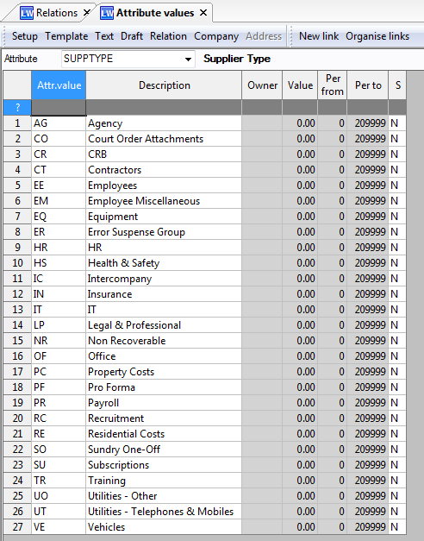
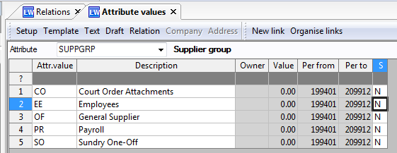

Customer relations

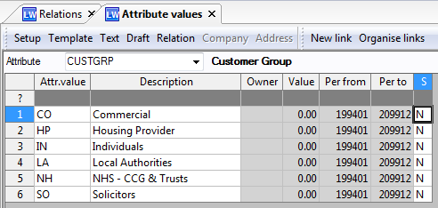
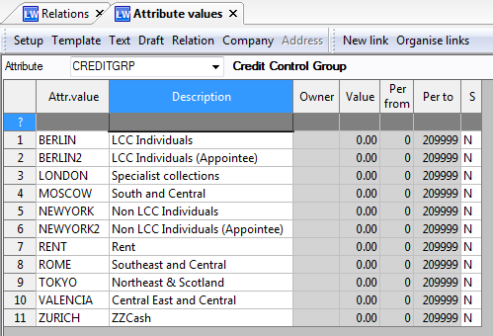
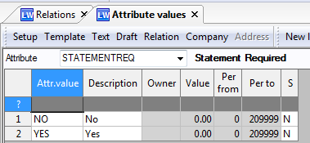
CustGrp | CreditGrp |  | Statementreq | Commcat
 |  |  |  | No values defined – LW need to define the list and provide to WW by 20 June (Jason Harker and Glenn Matthews are leads on this data capture

